Hakija täyttää
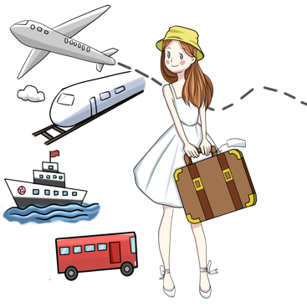
vanhemman/huoltajan nimi: | puhelin: |  | sähköposti:

vanhemman/huoltajan nimi: | puhelin: |  | sähköposti:

perheen lähiosoite: | postinumero: |  | postitoimipaikka:

kotona asuvien lasten nimet, iät sekä sukupuoli: |  | perheen yhteiset harrastukset sekä ajanvietteet:

aiempi isäntäperhekokemus: |  | perheessä puhuttavat kielet:

 |  | perheelle sopiva aikaväli vaihdolle:

perheen lemmmikit:
 |  | Ottaisimme mieluimmin: |  | Tupakointi sallittu:
 | Tytön |  | Kyllä
 | Pojan |  | Ei
 | Ei väliä |  | Ulkona

